Questions
Question.1 Option
Explain the difference between implied and histotical volatility.
Answer.1
Option:
Implied volatility (IV) is a forward-looking measure that represents the market's forecast of a stock's future volatility. It is derived from the prices of options contracts and reflects the expected fluctuations in the stock price. IV is calculated based on the current market prices of options, with higher options prices indicating greater expected volatility. This measure is influenced by market sentiment and can be impacted by factors such as upcoming earnings reports, economic data releases, or significant events that affect market expectations. On the other hand, historical volatility (HV) is a backward-looking measure that assesses the actual past price movements of a stock over a specific period. It provides a statistical measure of the stock's past price fluctuations and is calculated using historical price data, typically by determining the standard deviation of the stock's returns over a set period. While historical volatility offers insights into how the stock has behaved in the past, it does not predict future price movements. In summary, historical volatility looks at past price movements, whereas implied volatility is a market-based estimate of future price fluctuations. Both metrics are essential for options traders to assess risk and make informed trading decisions.

Question.2 VaR
Explain VaR and list at least two calculation methods.

Question.3 Option*
Client implemented Black&Scholes model for vanilla option pricing in their excel spreadsheet based on the formulas in the screenshots, (assuming zero dividends).
- Implement the model** in python code and validate/test the model for Call and Put options.
test for in the money, at-the-money, out-of-money with attention to unit and end-to-end testing
**Feel free to choose any method for model implementation, either with forward price or with spot price or with put-call parity

Answer.2 VaR
Value at Risk (VaR) is a statistical measure used to assess the potential loss in value of a portfolio over a defined period for a given confidence interval. It quantifies the maximum expected loss that an investment portfolio might suffer due to market risks under normal market conditions. VaR is widely used in risk management and financial analysis to gauge the risk exposure of assets and portfolios. There are several methods to calculate VaR, including the historical method and the variance-covariance method. The historical method involves analyzing past market data to estimate potential future losses by reordering historical returns from worst to best and assuming that past patterns will repeat. The variance-covariance method, also known as the parametric method, assumes that asset returns are normally distributed and uses the mean and standard deviation of returns to estimate potential losses. This method calculates VaR by determining the standard deviation of the portfolio's returns and applying a confidence level to estimate the maximum expected loss. Both methods provide valuable insights into the risk profile of investments, helping investors and risk managers make informed decisions.

Question.4 VaR*
Bank has FX portfolio consisting of two currencies. Risk manager implemented historical VaR methodology as defined in internal policies (1 day with .99 confidence level) for the FX portfolio in excel, assuming no correlation between these currencies.
- implement the VaR calculation in python to revert one day VaR value
One year of historical data (market rate) for the currencies and current/spot portfolio value is known.

*For the Python exercises please provide solutions either with jupyter notebook ot github link.

Option
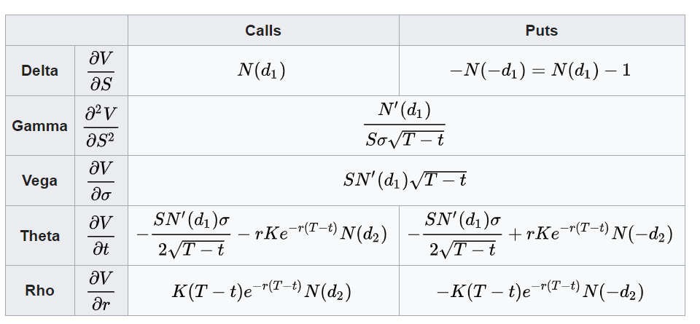
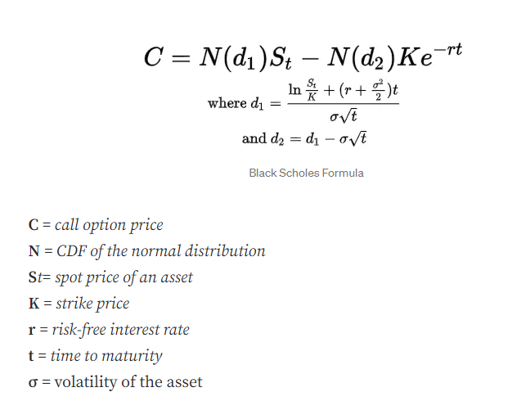
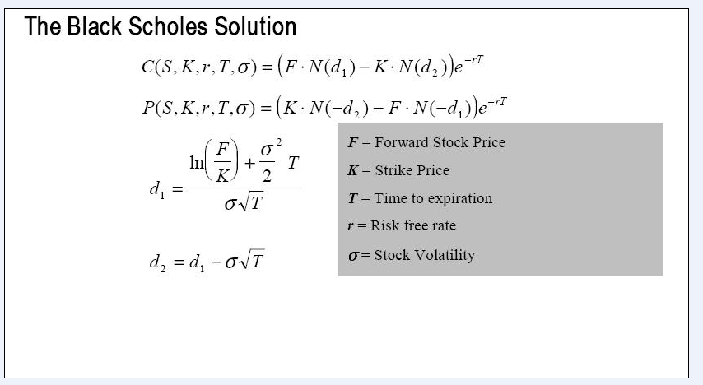
 | European Vanilla Call | base case
 | Trade date | 2022-11-23 |  | with spot price |  | with forward price
 | Expiry | 2023-05-10
 | S0 | 19
 | K (strike) | 17
 | Time to Expiry | 0.460
 | r | 0.5%
 | r_cont | 0.5%
 | Div yield (cont) | 0%
 | Vol | 0.3

 | F=forward stock price | 19.04367

with forward price | d1 | 0.65953
 | d2 | 0.45600

with spot price | d1 | 0.65953
 | d2 | 0.45600

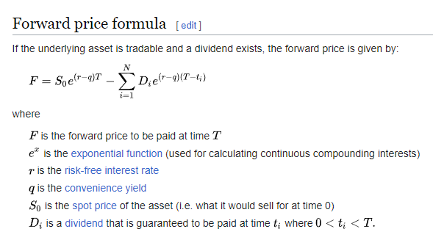
with forward price | Call | 2.70
with spot price | Call | 2.70

with forward price | Put | 0.66 | premium
with put-call parity | Put | 0.66

 |  |  |  |  | put- call parity

 |  |  |  |  | Greeks

VaR Methodolgy
